2009
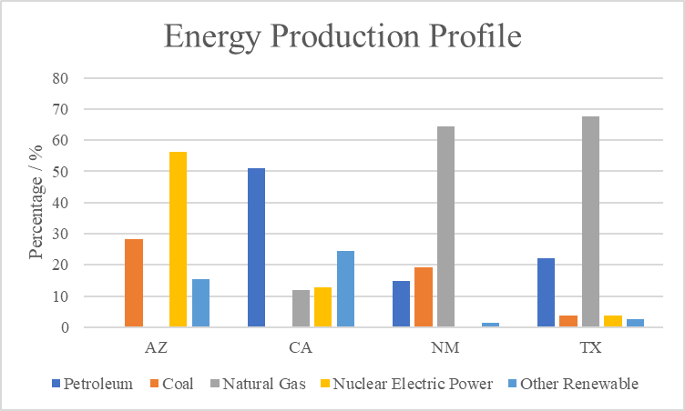
Petroleum | Coal | Natural Gas | Nuclear Power | Other | sum |  | Petroleum | Coal | Natural Gas | Nuclear Electric Power | Other Renewable | sum
266.8 | 160705.948 | 726.952 | 320722.9615 | 88571.38442 | 570994.04592 | AZ | 0.046725531011 | 28.144942867 | 0.12731341162 | 56.169230448 | 15.511787742 | 100
1328165.2 | 0 | 309834.8831 | 332249.3898 | 635062.3653 | 2605311.8382 | CA | 50.97912582 | 0 | 11.892429864 | 12.752768591 | 24.375675725 | 100
354646.8 | 466100.448 | 1557686.627 | 0 | 33785.17435 | 2412219.0493 | NM | 14.702097643 | 19.322476047 | 64.574841469 | 0 | 1.4005848415 | 100
2646911.2 | 455507.14 | 8074816.241 | 434065.0738 | 303697.0626 | 11914996.717 | TX | 22.214955344 | 3.8229732731 | 67.770192745 | 3.6430146319 | 2.5488640056 | 100

Energy Production Profile
Energy Production Profile

